Sheet1
Binary
Image
Overlap
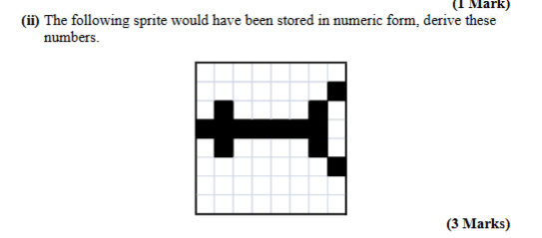
Test

0
1
66
254
66
1
0

 | 128 | 64 | 32 | 16 | 8 | 4 | 2 | 1
129 |  |  |  |  |  |  |  |  |  |  |  |  |  |  |  |  | 67
195
126
36
36
126
195
129

 |  |  |  |  |  |  |  | (654,321)

 |  |  |  |  |  |  |  |  |  |  |  |  |  |  |  |  |  | Nothing from first in the zone

 |  |  |  |  | TODO

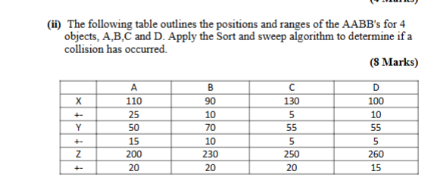

x Axis
A |  | 80 |  | 85 |  | 90 |  |  | 100 |  | 110 |  | 125 |  | 135 |  | 135
 |  | Bs |  | As |  | Ds |  |  | Be |  | De |  | Cs |  | Ae |  | Ce
B |  | B |  | B,A |  | B,A,D |  |  | A,D |  | A |  | A,C |  | C |  | null
C |  |  |  | (B,A) |  | (B,D) (A,D) |  |  |  |  |  |  | (A,C)

y axis
A |  | 35 |  | 50 |  | 50 |  |  |  |  | 60 |  |  |  | 60 |  | 60 |  | 65 | 80
 |  | As |  | Cs |  | Ds |  |  |  |  | Bs |  |  |  | Ce |  | De |  | Ae | Be
B |  | A |  | A,C |  | A,C,D |  |  |  |  | A,C,D,B |  |  |  | A,D,B |  | A,B |  | B
C |  |  |  | (A,C) |  | (A,D) (C,D) |  |  |  |  | (A,B)(C,B)(D,B)

z axis
A |  | 180 |  | 210 |  | 220 |  | 230 |  | 245 |  | 250 |  | 270 |  | 275
 |  | As |  | Bs |  | Ae |  | Cs |  | Ds |  | Be |  | Ce |  | De
B |  | A |  | A,B |  | B |  | B,C |  | B,C,D |  | C,D |  | D
C |  |  |  | (A,B) |  |  |  | (B,C) |  | (B,D) (C,D)

 |  | ToDo

